Movie Ticket System
Movie Ticketing System helps to provide complete information of the movie and schedule to the customer, according to which users can easily get a ticket instantly and can book a ticket of their favorite movie online. Admin can use Movie Ticketing System to insert and delete data such as movie descriptions, movie schedules which will update the database and which will be accessible by the customers.

ERD Diagram
ERD with Relationships
Relationship Tables

 |  |  |  |  |  |  |  | screen
 |  |  |  |  |  |  |  | screen_id | screen_seats | tiers
 |  |  |  |  |  |  |  | 510 | 40 | Executive |  |  |  |  |  | rel_screen_place
 |  |  |  |  |  |  |  | 511 | 80 | Premium |  |  |  |  |  | place_id | place_state | screen_id | screen_seats | tiers
 |  |  |  |  |  |  |  | 512 | 40 | Arena |  |  |  |  |  | 110 | New Delhi | 510 | 40 | Executive
Movie |  |  |  |  |  |  |  |  |  |  |  |  |  |  |  | 111 | New Delhi | 511 | 80 | Premium
movie_id | movie_name | movie_release_date | movie_director | movie_actor | movie_languages |  |  |  |  |  |  |  |  |  |  | 112 | Haryana | 512 | 40 | Arena
910 | The Batman | 2022-01-02 | Matt Reeves | Ben Affleck | Enligsh
911 | Morbius | 2022-01-15 | Daniel Espinosa | Jared Leto | English |  |  |  |  |  |  |  |  |  |  | rel_payment_user
912 | Atrangi Re | 2022-01-25 | Aanand L. Rai | Dhanush | Hindi |  |  |  |  |  |  |  |  |  |  | payment_id | user_id | user_fname | user_lname | user_mobile | user_email
 |  |  |  |  |  |  |  |  |  |  |  |  |  |  |  | 800020 | 710 | Virat | Kohli | 8588022525 | viratkohli@gmail.com
 |  |  |  |  |  |  |  |  |  |  |  |  |  |  |  | 800021 | 711 | Rahul | Dravid | 9711474723 | rahul@gmail.com
 |  |  |  |  |  |  |  |  |  |  |  |  |  |  |  | 800022 | 712 | Mahender | Singh | 9650897823 | singhmahen@gmail.com

 |  |  |  |  |  | theater
 |  |  |  |  |  | theater_id | theater_name | theater_location | theater_screen |  |  |  |  |  |  | rel_user_ticket
 |  |  |  |  |  | 310 | PVR Sahara | New Delhi | 4 |  |  |  |  |  |  | user_id | ticket_id | ticket_cost | ticket_seatno | ticket_showdate
 |  |  |  |  |  | 311 | Carnival Cinemas | New Delhi | 6 |  |  |  |  |  |  | 710 | 600021 | 1200 | 21 | 2022-02-11
 |  |  |  |  |  | 312 | INOX Dreamz | Haryana | 12 |  |  |  |  |  |  | 711 | 600022 | 1030 | 43 | 2022-02-16
 |  |  |  |  |  |  |  |  |  |  |  |  |  |  |  | 712 | 600023 | 1700 | 32 | 2022-02-27

 | place
 | place_id | place_name | place_state |  |  |  |  |  |  |  |  |  |  |  |  | rel_place_theater
 | 110 | Vasant Kunj | New Delhi |  |  |  |  |  |  |  |  |  |  |  |  | theater_id | place_id | place_name | place_state
 | 111 | Saket | New Delhi |  |  |  |  |  | payment |  |  |  |  |  |  | 310 | 110 | Vasant Kunj | New Delhi
 | 112 | Gurgaon | Haryana |  |  |  |  |  | payment_id | payment_amount | payment_date | payment_time |  |  |  | 311 | 111 | Saket | New Delhi
 |  |  |  |  |  |  |  |  | 800020 | 1200 | 2022-02-10 | 12:40:10 |  |  |  | 312 | 112 | Gurgaon | Haryana
 |  |  |  |  |  |  |  |  | 800021 | 1030 | 2022-02-15 | 1:21:34
 |  |  |  |  |  |  |  |  | 800022 | 1700 | 2022-02-27 | 14:23:23 AM

 |  |  |  |  |  |  |  |  |  |  |  | Ticket
 |  |  |  |  | User |  |  |  |  |  |  | ticket_id | ticket_cost | ticket_seatno | ticket_showdate
 |  |  |  |  | user_id | user_fname | user_lname | user_mobile | user_email |  |  | 600021 | 1200 | 21 | 2022-02-11
 |  |  |  |  | 710 | Virat | Kohli | 8588022525 | viratkohli@gmail.com |  |  | 600022 | 1030 | 43 | 2022-02-16
 |  |  |  |  | 711 | Rahul | Dravid | 9711474723 | rahul@gmail.com |  |  | 600023 | 1700 | 32 | 2022-02-27
 |  |  |  |  | 712 | Mahender | Singh | 9650897823 | singhmahen@gmail.com

ER Diagram
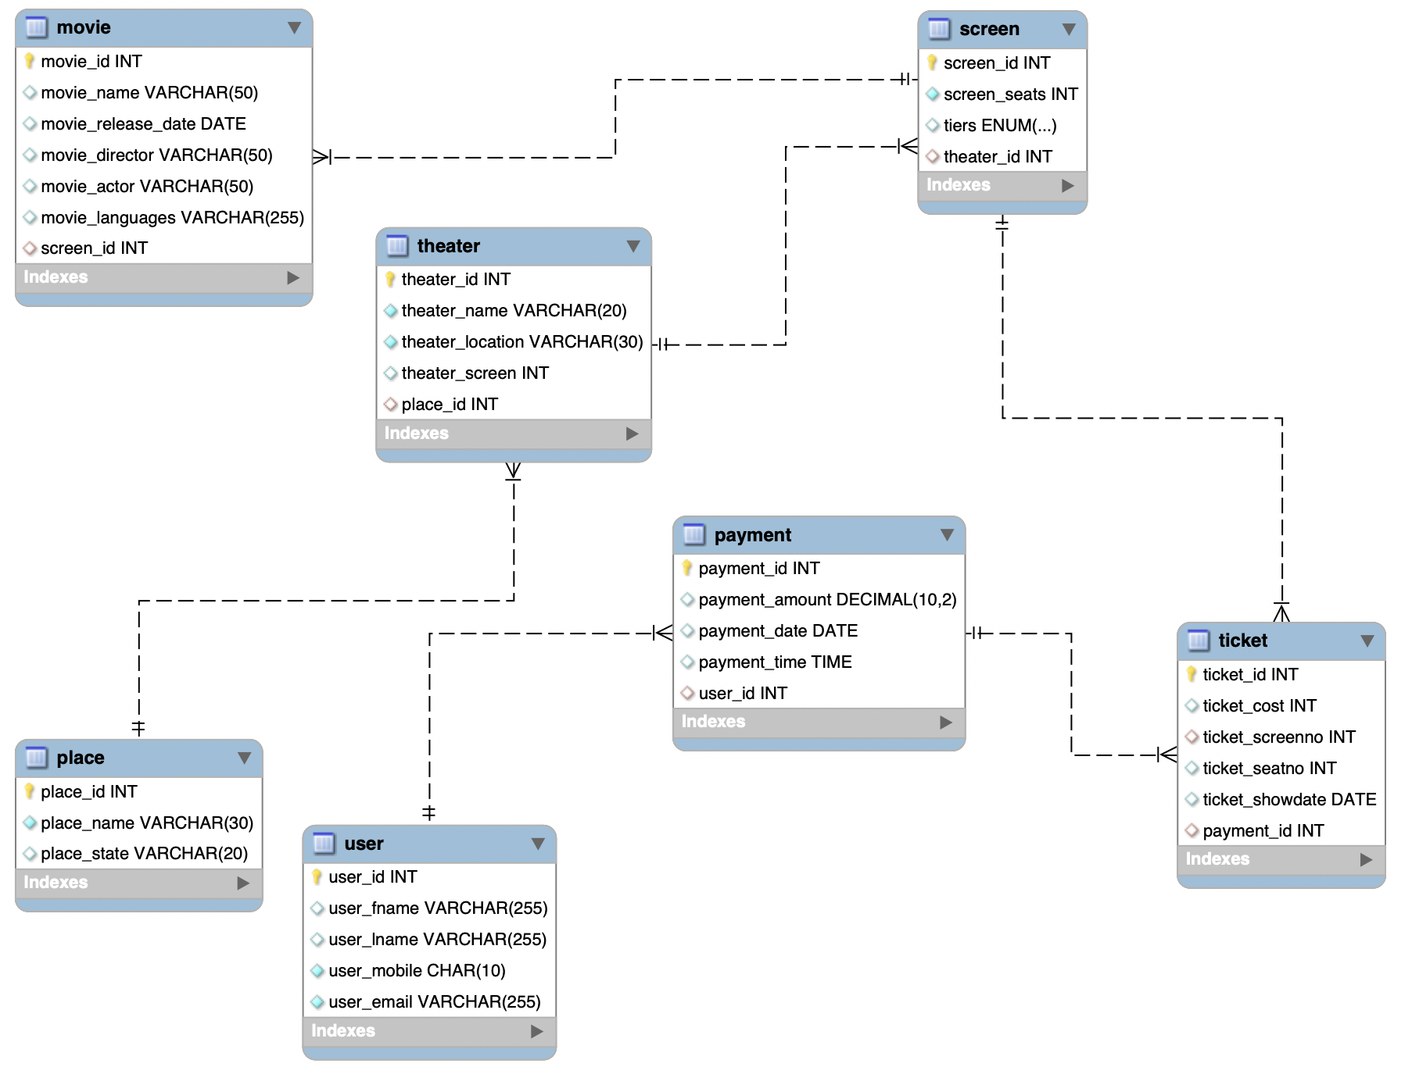
ER DIagram

